Notes
Date: | 2023-07-13 | CITY_SHIRE | SUBURB_GROUP
By: | Kath Tamas | City of Melbourne | Inner
Purpose: | Full list of suburbs in Melbourne with postcodes | City of Port Phillip | Inner
 | To be used for filtering to only Melbourne Suburbs in analysis | City of Yarra | Inner
 | SUBURB_GROUP is determined based on distance from the Melbourne CBD | City of Banyule | Mid
Source: | https://www.onlymelbourne.com.au/list-of-melbourne-suburbs | City of Darebin | Mid
 | List is on webpage, unable to get data extract | City of Hume | Outer
 |  | City of Moonee Valley | Mid
 | Map of Melbourne Cities and Shires: | City of Moreland | Mid
 | https://www.mav.asn.au/__data/assets/image/0015/4434/metropolitan-municipalities-map.jpg | Shire of Nillumbik | Outer
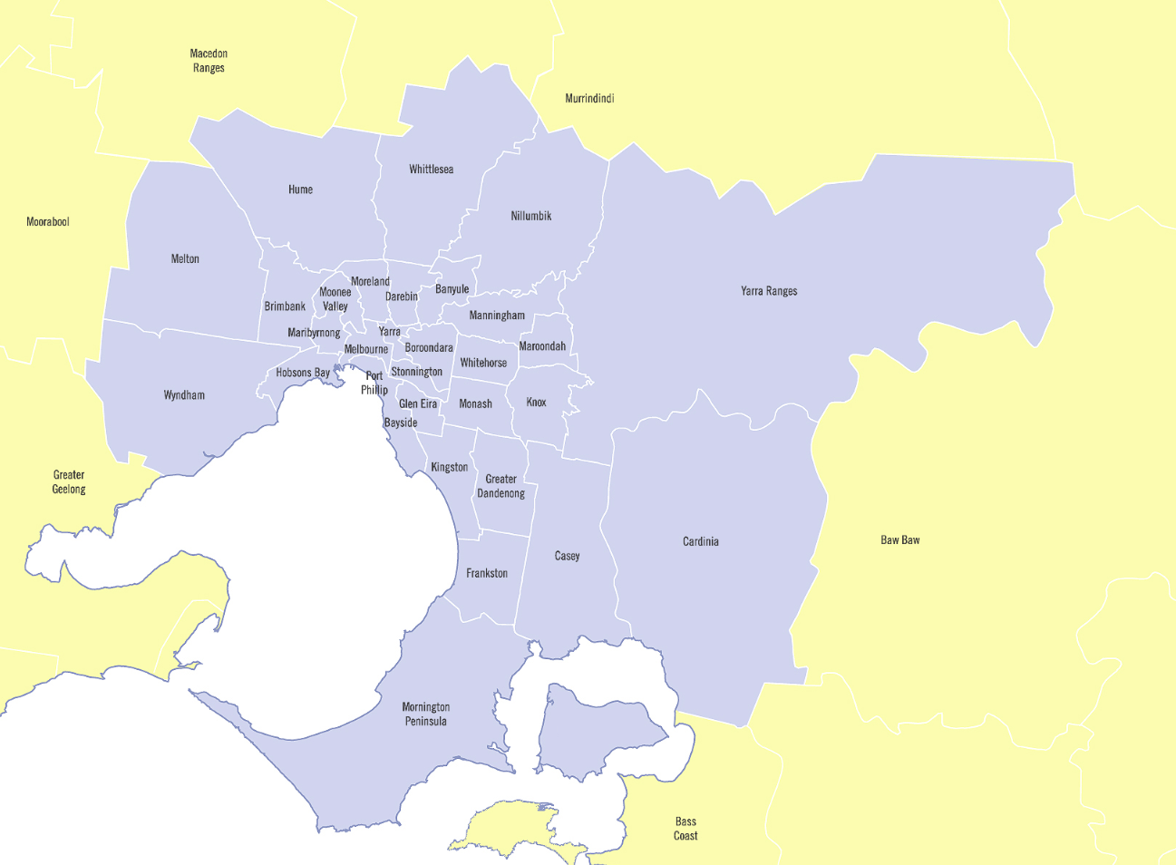
 |  | City of Whittlesea | Outer
 |  | City of Boroondara | Mid
 |  | City of Knox | Mid
 |  | City of Manningham | Mid
 |  | City of Maroondah | Mid
 |  | City of Whitehorse | Mid
 |  | Shire of Yarra Ranges | Outer
 |  | City of Bayside | Mid
 |  | Shire of Cardinia | Outer
 |  | City of Casey | Outer
 |  | City of Greater Dandenong | Outer
 |  | City of Frankston | Outer
 |  | City of Glen Eira | Mid
 |  | City of Kingston | Mid
 |  | City of Monash | Mid
 |  | Shire of Mornington Peninsula | Outer
 |  | City of Stonnington | Mid
 |  | City of Brimbank | Mid
 |  | City of Hobsons Bay | Mid
 |  | City of Maribyrnong | Mid
 |  | City of Melton | Outer
 |  | City of Wyndham | Outer

Note: | Where there are postcodes that are shared between Cities, the postcode is merged to one city

